Cover
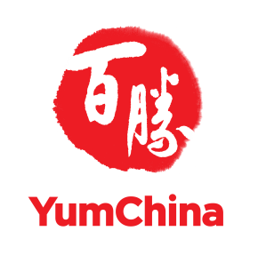

Yum China Holdings, Inc.

Unit Summary by Brands

2025 Q4

